OSBL
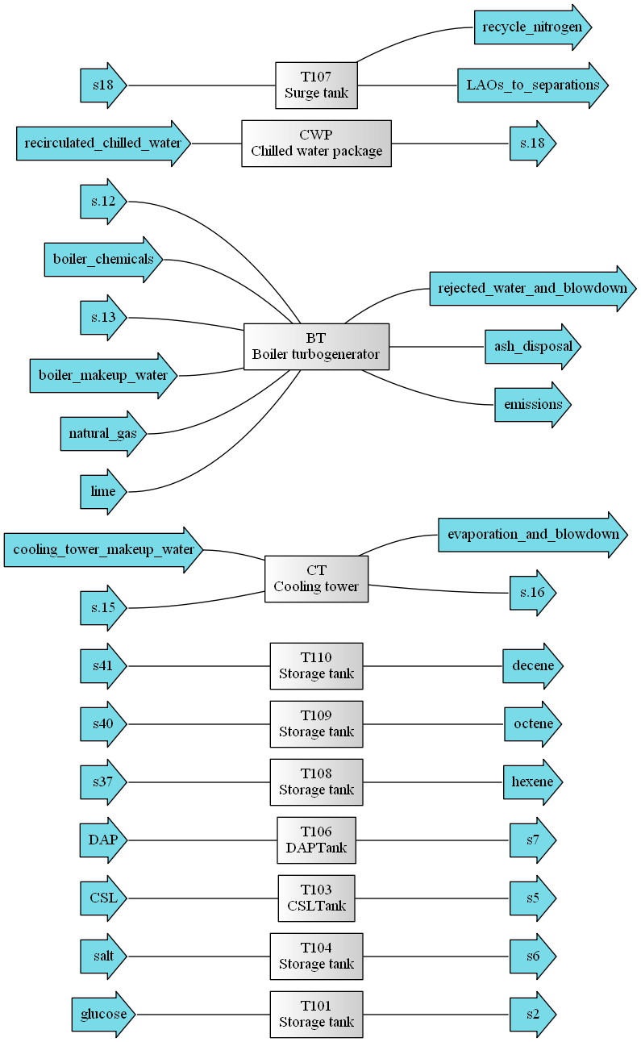

 | s.13 | recycle_nitrogen | octene | boiler_makeup_water | LAOs_to_separations | hexene | natural_gas | lime | boiler_chemicals | s.12 | emissions | rejected_water_and_blowdown | ash_disposal | cooling_tower_makeup_water | salt | s.15 | s.16 | glucose | CSL | evaporation_and_blowdown | decene | s.18 | DAP | recirculated_chilled_water | s2 | s5 | s6 | s7 | s18 | s37 | s40 | s41
Source | - | T107 | T109 | - | T107 | T108 | - | - | - | - | BT | BT | BT | - | - | - | CT | - | - | CT | T110 | CWP | - | - | T101 | T103 | T104 | T106 | H105 | H106 | H107 | H108
Sink | BT | M103 | - | BT | P105 | - | BT | BT | BT | BT | - | - | - | CT | T104 | CT | - | T101 | T103 | - | - | - | T106 | CWP | M102 | M102 | M102 | M102 | T107 | T108 | T109 | T110
Phase | liquid | gas | liquid | liquid | liquid | liquid | liquid | liquid | liquid | liquid | gas | liquid | liquid | liquid | liquid | liquid | liquid | liquid | liquid | liquid | liquid | liquid | liquid | liquid | liquid | liquid | liquid | liquid | liquid | liquid | liquid | liquid
flow (ton/hr) | 0 | 0 | 3.5619686474 | 1.2270706355 | 45.854893526 | 2.7986310208 | 1.8175052164 | 0 | 0 | 0 | 9.0680124229 | 1.2270706355 | 0 | 11.842200438 | 1.3166412475 | 1076.5636762 | 1076.5636762 | 63.637054162 | 0.56235932021 | 11.842200438 | 10.651700133 | 607.84047552 | 0.056098146419 | 607.84047552 | 63.637054162 | 0.56235932021 | 1.3166412475 | 0.056098146419 | 45.854893526 | 2.7986310208 | 3.5619686474 | 10.651700133
Composition [%]:
HCl | 0 | 0 | 0 | 0 | 0 | 0 | 0 | 0 | 0 | 0 | 0 | 0 | 0 | 0 | 0 | 0 | 0 | 0 | 0 | 0 | 0 | 0 | 0 | 0 | 0 | 0 | 0 | 0 | 0 | 0 | 0 | 0
Methane | 0 | 0 | 0 | 0 | 0 | 0 | 100 | 0 | 0 | 0 | 0 | 0 | 0 | 0 | 0 | 0 | 0 | 0 | 0 | 0 | 0 | 0 | 0 | 0 | 0 | 0 | 0 | 0 | 0 | 0 | 0 | 0
Water | 0 | 0 | 1.5474100967E-17 | 100 | 5.6143962005 | 0.091990526106 | 0 | 0 | 0 | 0 | 45.015658409 | 100 | 0 | 100 | 0 | 100 | 100 | 0 | 0 | 100 | 0 | 100 | 0 | 100 | 0 | 0 | 0 | 0 | 5.6143962005 | 0.091990526106 | 1.5474100967E-17 | 0
Acetone | 0 | 0 | 0 | 0 | 0 | 0 | 0 | 0 | 0 | 0 | 0 | 0 | 0 | 0 | 0 | 0 | 0 | 0 | 0 | 0 | 0 | 0 | 0 | 0 | 0 | 0 | 0 | 0 | 0 | 0 | 0 | 0
LacticAcid | 0 | 0 | 0 | 0 | 0 | 0 | 0 | 0 | 0 | 0 | 0 | 0 | 0 | 0 | 0 | 0 | 0 | 0 | 0 | 0 | 0 | 0 | 0 | 0 | 0 | 0 | 0 | 0 | 0 | 0 | 0 | 0
PhosphoricAcid | 0 | 0 | 0 | 0 | 0 | 0 | 0 | 0 | 0 | 0 | 0 | 0 | 0 | 0 | 0 | 0 | 0 | 0 | 0 | 0 | 0 | 0 | 0 | 0 | 0 | 0 | 0 | 0 | 0 | 0 | 0 | 0
Tridecane | 0 | 0 | 0 | 0 | 57.231172787 | 0 | 0 | 0 | 0 | 0 | 0 | 0 | 0 | 0 | 0 | 0 | 0 | 0 | 0 | 0 | 0 | 0 | 0 | 0 | 0 | 0 | 0 | 0 | 57.231172787 | 0 | 0 | 0
Ethanol | 0 | 0 | 0 | 0 | 0 | 0 | 0 | 0 | 0 | 0 | 0 | 0 | 0 | 0 | 0 | 0 | 0 | 0 | 0 | 0 | 0 | 0 | 0 | 0 | 0 | 0 | 0 | 0 | 0 | 0 | 0 | 0
Butanol | 0 | 0 | 0 | 0 | 0 | 0 | 0 | 0 | 0 | 0 | 0 | 0 | 0 | 0 | 0 | 0 | 0 | 0 | 0 | 0 | 0 | 0 | 0 | 0 | 0 | 0 | 0 | 0 | 0 | 0 | 0 | 0
Hexanol | 0 | 0 | 0 | 0 | 0 | 0 | 0 | 0 | 0 | 0 | 0 | 0 | 0 | 0 | 0 | 0 | 0 | 0 | 0 | 0 | 0 | 0 | 0 | 0 | 0 | 0 | 0 | 0 | 0 | 0 | 0 | 0
Octanol | 0 | 0 | 0 | 0 | 0 | 0 | 0 | 0 | 0 | 0 | 0 | 0 | 0 | 0 | 0 | 0 | 0 | 0 | 0 | 0 | 0 | 0 | 0 | 0 | 0 | 0 | 0 | 0 | 0 | 0 | 0 | 0
Decanol | 0 | 0 | 0 | 0 | 0 | 0 | 0 | 0 | 0 | 0 | 0 | 0 | 0 | 0 | 0 | 0 | 0 | 0 | 0 | 0 | 0 | 0 | 0 | 0 | 0 | 0 | 0 | 0 | 0 | 0 | 0 | 0
Dodecanol | 0 | 0 | 0 | 0 | 0 | 0 | 0 | 0 | 0 | 0 | 0 | 0 | 0 | 0 | 0 | 0 | 0 | 0 | 0 | 0 | 0 | 0 | 0 | 0 | 0 | 0 | 0 | 0 | 0 | 0 | 0 | 0
Tetradecanol | 0 | 0 | 0 | 0 | 0 | 0 | 0 | 0 | 0 | 0 | 0 | 0 | 0 | 0 | 0 | 0 | 0 | 0 | 0 | 0 | 0 | 0 | 0 | 0 | 0 | 0 | 0 | 0 | 0 | 0 | 0 | 0
Hexadecanol | 0 | 0 | 0 | 0 | 0 | 0 | 0 | 0 | 0 | 0 | 0 | 0 | 0 | 0 | 0 | 0 | 0 | 0 | 0 | 0 | 0 | 0 | 0 | 0 | 0 | 0 | 0 | 0 | 0 | 0 | 0 | 0
Hexene | 0 | 0 | 6.9458328713E-05 | 0 | 5.6476173833 | 92.072084473 | 0 | 0 | 0 | 0 | 0 | 0 | 0 | 0 | 0 | 0 | 0 | 0 | 0 | 0 | 0 | 0 | 0 | 0 | 0 | 0 | 0 | 0 | 5.6476173833 | 92.072084473 | 6.9458328713E-05 | 0
Octene | 0 | 0 | 92.610773112 | 0 | 7.6798757771 | 7.8359220828 | 0 | 0 | 0 | 0 | 0 | 0 | 0 | 0 | 0 | 0 | 0 | 0 | 0 | 0 | 8.0000015997E-05 | 0 | 0 | 0 | 0 | 0 | 0 | 0 | 7.6798757771 | 7.8359220828 | 92.610773112 | 8.0000015997E-05
Decene | 0 | 0 | 7.3891574292 | 0 | 23.826937852 | 2.9179869318E-06 | 0 | 0 | 0 | 0 | 0 | 0 | 0 | 0 | 0 | 0 | 0 | 0 | 0 | 0 | 99.99992 | 0 | 0 | 0 | 0 | 0 | 0 | 0 | 23.826937852 | 2.9179869318E-06 | 7.3891574292 | 99.99992
Dodecene | 0 | 0 | 0 | 0 | 0 | 0 | 0 | 0 | 0 | 0 | 0 | 0 | 0 | 0 | 0 | 0 | 0 | 0 | 0 | 0 | 0 | 0 | 0 | 0 | 0 | 0 | 0 | 0 | 0 | 0 | 0 | 0
Tetradecene | 0 | 0 | 0 | 0 | 0 | 0 | 0 | 0 | 0 | 0 | 0 | 0 | 0 | 0 | 0 | 0 | 0 | 0 | 0 | 0 | 0 | 0 | 0 | 0 | 0 | 0 | 0 | 0 | 0 | 0 | 0 | 0
Hexadecene | 0 | 0 | 0 | 0 | 0 | 0 | 0 | 0 | 0 | 0 | 0 | 0 | 0 | 0 | 0 | 0 | 0 | 0 | 0 | 0 | 0 | 0 | 0 | 0 | 0 | 0 | 0 | 0 | 0 | 0 | 0 | 0
P4O10 | 0 | 0 | 0 | 0 | 0 | 0 | 0 | 0 | 0 | 0 | 0 | 0 | 0 | 0 | 0 | 0 | 0 | 0 | 0 | 0 | 0 | 0 | 0 | 0 | 0 | 0 | 0 | 0 | 0 | 0 | 0 | 0
SO2 | 0 | 0 | 0 | 0 | 0 | 0 | 0 | 0 | 0 | 0 | 0 | 0 | 0 | 0 | 0 | 0 | 0 | 0 | 0 | 0 | 0 | 0 | 0 | 0 | 0 | 0 | 0 | 0 | 0 | 0 | 0 | 0
N2 | 0 | 0 | 0 | 0 | 0 | 0 | 0 | 0 | 0 | 0 | 0 | 0 | 0 | 0 | 0 | 0 | 0 | 0 | 0 | 0 | 0 | 0 | 0 | 0 | 0 | 0 | 0 | 0 | 0 | 0 | 0 | 0
O2 | 0 | 0 | 0 | 0 | 0 | 0 | 0 | 0 | 0 | 0 | 0 | 0 | 0 | 0 | 0 | 0 | 0 | 0 | 0 | 0 | 0 | 0 | 0 | 0 | 0 | 0 | 0 | 0 | 0 | 0 | 0 | 0
CO2 | 0 | 0 | 0 | 0 | 0 | 0 | 0 | 0 | 0 | 0 | 54.984341591 | 0 | 0 | 0 | 0 | 0 | 0 | 0 | 0 | 0 | 0 | 0 | 0 | 0 | 0 | 0 | 0 | 0 | 0 | 0 | 0 | 0
Glucose | 0 | 0 | 0 | 0 | 0 | 0 | 0 | 0 | 0 | 0 | 0 | 0 | 0 | 0 | 0 | 0 | 0 | 100 | 0 | 0 | 0 | 0 | 0 | 0 | 100 | 0 | 0 | 0 | 0 | 0 | 0 | 0
NaCl | 0 | 0 | 0 | 0 | 0 | 0 | 0 | 0 | 0 | 0 | 0 | 0 | 0 | 0 | 100 | 0 | 0 | 0 | 0 | 0 | 0 | 0 | 0 | 0 | 0 | 0 | 100 | 0 | 0 | 0 | 0 | 0
DiammoniumPhosphate | 0 | 0 | 0 | 0 | 0 | 0 | 0 | 0 | 0 | 0 | 0 | 0 | 0 | 0 | 0 | 0 | 0 | 0 | 0 | 0 | 0 | 0 | 100 | 0 | 0 | 0 | 0 | 100 | 0 | 0 | 0 | 0
CornSteepLiquor | 0 | 0 | 0 | 0 | 0 | 0 | 0 | 0 | 0 | 0 | 0 | 0 | 0 | 0 | 0 | 0 | 0 | 0 | 100 | 0 | 0 | 0 | 0 | 0 | 0 | 100 | 0 | 0 | 0 | 0 | 0 | 0
Ash | 0 | 0 | 0 | 0 | 0 | 0 | 0 | 0 | 0 | 0 | 0 | 0 | 0 | 0 | 0 | 0 | 0 | 0 | 0 | 0 | 0 | 0 | 0 | 0 | 0 | 0 | 0 | 0 | 0 | 0 | 0 | 0
Cells | 0 | 0 | 0 | 0 | 0 | 0 | 0 | 0 | 0 | 0 | 0 | 0 | 0 | 0 | 0 | 0 | 0 | 0 | 0 | 0 | 0 | 0 | 0 | 0 | 0 | 0 | 0 | 0 | 0 | 0 | 0 | 0
Gliadin | 0 | 0 | 0 | 0 | 0 | 0 | 0 | 0 | 0 | 0 | 0 | 0 | 0 | 0 | 0 | 0 | 0 | 0 | 0 | 0 | 0 | 0 | 0 | 0 | 0 | 0 | 0 | 0 | 0 | 0 | 0 | 0
CellExtract | 0 | 0 | 0 | 0 | 0 | 0 | 0 | 0 | 0 | 0 | 0 | 0 | 0 | 0 | 0 | 0 | 0 | 0 | 0 | 0 | 0 | 0 | 0 | 0 | 0 | 0 | 0 | 0 | 0 | 0 | 0 | 0
Tryptone | 0 | 0 | 0 | 0 | 0 | 0 | 0 | 0 | 0 | 0 | 0 | 0 | 0 | 0 | 0 | 0 | 0 | 0 | 0 | 0 | 0 | 0 | 0 | 0 | 0 | 0 | 0 | 0 | 0 | 0 | 0 | 0

